Screenflow
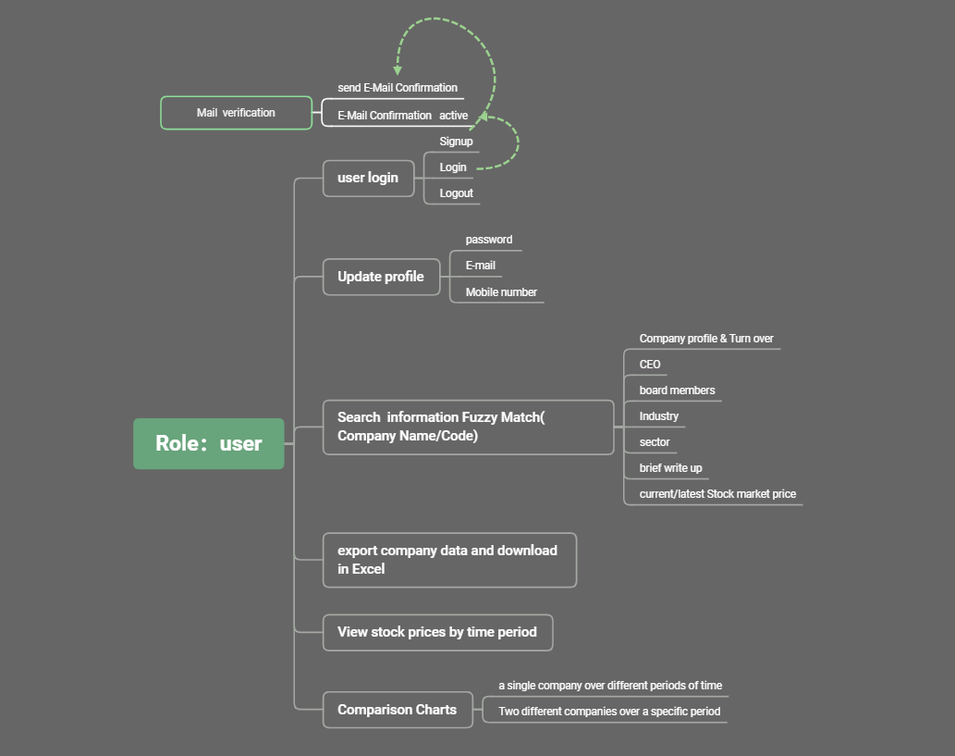
Admin
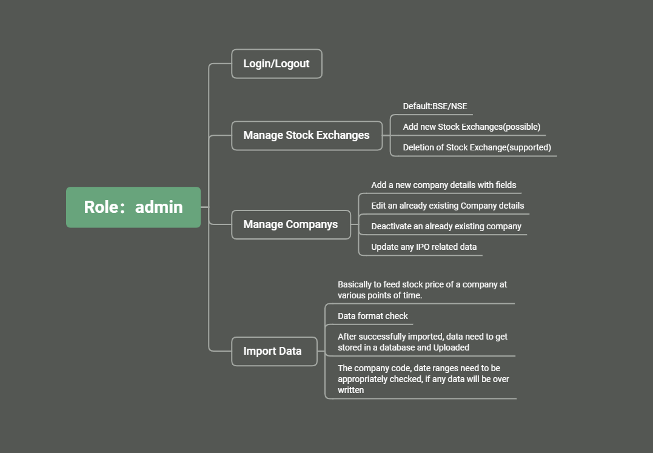

User

Wireframe-Admin
Admin Landing Page

Logout

Username

Password

Rember me
Login

Menu Page
Logout
Manage Stock Exchanges

Manage Company

Import Data

Uploa IPO detials

Manage Stock Exchanges
Logout
List of Stock Exchanges

BSE

NSE
Add

Menu

Add New Exchange

Add New Exchange
Logout

Input Exchange Name

Back
Confrim

Menu

Confirm Exchange Information
Logout
Confirm the exchangeName below is right!
XXX

Back
Save

Menu

Manage Companys
Logout
List of Companys

☑
Pic
Company1
BSE,NSE
<Brief WriteUp>
Edit

☐
Pic
Company2
BSE
<Brief WriteUp>
Edit

<<Other Companies>>

Add
Delete

Menu

Add New Company
Logout
Create New Company

Company Name

Turnover
CEO

Board of Directors

Stock Exchanges

Sector

Brief writeup

Stock code

Back
Save

Menu

Deactivate an already existing company
chose the compay at the Manage Companys page and click the 「delete」 button
Logout
Confirm the compay information below is right!
Pic
XXX
Company1
BSE,NSE
<Brief WriteUp>

Pic
Company2
BSE
<Brief WriteUp>

<<Other Companies>>

Back
Confirm

Menu

Update IPO related data

Update IPO related data
Logout

Id
001

Company Name
Company1

Stock Exchange
BSE

Price per share
172.90

Total number of Shares
860,250,000

Open Date Time
20220-04-13

Remarks
XXXXX

Save

Menu

Import Data
Import Excel
Logout

Select Excle file to be upload
Upload

Click Here to download sample Excel file

Menu

Summary of Upload
Logout

Company Name
Abc LTD

Stock Exchange
BSE

No. of records imported
80

From Date
yyyy/mm/dd

To Date
yyyy/mm/dd

Back
OK

Menu

Wireframe-User
User Landing Page

Logout

Username

Password
click here to signup

Login
Rember me

User Signup Page

User Singup

E-mail
Create a user account
Mail

Password

Confirm Password

Username

Mobile number
Mobile number
Signup
Sign in to an existing account

Logout
Update profile Page
Change password
Menu Page

Compare Company
Search Company
Setting

Change Password
Old Password
Change E-mail
Change Mobile number
New Password

Confirm Password

Save

Change E-mail
Logout

Compare Company
Search Company
Setting

Change Password
Old E-mail
Change E-mail
Change Mobile number
New E-mail

Save

Change Mobile number
Logout

Compare Company
Search Company
Setting

Change Password
Old Mobile number
Change E-mail

Change Mobile number
New Mobile number

Save

Compare Company Page
Logout

Compare Company
Search Company
Setting

Change Password
Company Name/Code
Abc
Change E-mail
Change Mobile number
From Period
canlendar
Period can be selected

From Period

Specity Periodicity
Click to add one more company details to compare

Generate Map

Company Stock Price(Bar Chart) for Reference only
Logout

Compare Company
Search Company
Setting

13.33

10.06

7.88

Jan19
Feb19
Mar19
Apr19

Time in Months
Export

Search Company
Logout

Compare Company
Search Company
Setting

Company Name
Abc
Search

Name Code Exchange
Day
Week
Month
Year
Abc 002409 BSE

Company profile
Company Name: Abc
Turnover:168.8Billion yuan
CEO:Tom
Board of Directors:
Tom Jerry Lily
Stock Exchanges:BSE
Sector:Business analysis
Profile:Abc is a company .....

